Lettersum (from reddit)
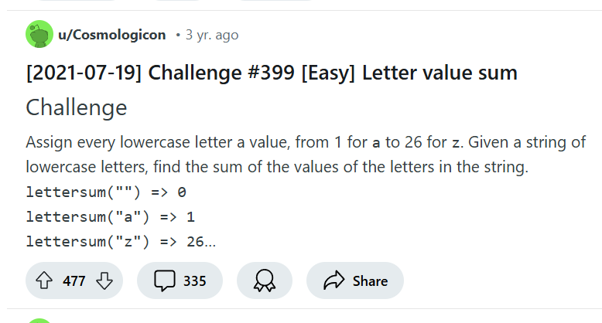
 |  | Interesting task from https://www.reddit.com/r/dailyprogrammer/
Letter | Number
g | 7

Letter | Number
z | 26

